Sales Projections
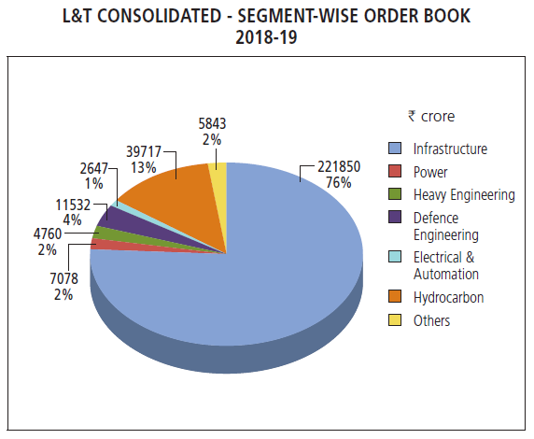
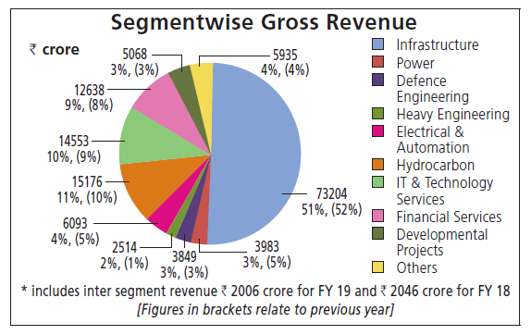
Sales Projections
Year | 2018-2019 | 2019-2020 | 2020-2021 | 2021-2022 | 2022-2023 | 2023-2024 | 2024-2025 | 2025-2026 | 2026-2027
Percentage Change |  | -2.4% | 6.2% | 10.2% | 12.0% | 12.0% | 12.0% | 12.0% | 12.0%
Sales | 142858.62 | 139430.01 | 148074.67 | 163178.29 | 182759.69 | 204690.85 | 229253.75 | 256764.20 | 287575.90

NOTES and Calculations:
In 2019, Construction and Manufacturing revenue accounted for 104588.78 of 139138.08 (Revenue-other operational income), this is 75%
In 2018, it was 76%; in 2017, it was 76%; in 2016 it was 77%. This gives an average of 76%
Hence, we assume Construction and Manufacturing to constitute of 76% of the sales revenue on average, and the remaining 24% is analysed later.
Other sources of operational revenue included income from software development, financing activities etc.
Apart from other operational income and income from construction and manufacturing, "Other income" also existed, but only around 1% of total income. So separate analysis wasn't done for it.
KPMG estimates the reduction in investments in construction and infrastructure to be 13-30% (take 30% in 2020)
L&T is a major player in the industry, and 30-40% annual revenue and major orders comes in Jan-Mar period according to the report (take 40%)
In 2020, due to reduced orders, the revenue from construction and manufacturing would reduce by 12% (40% of revenue reduced by 30%)
Since a lot of clients may have cashflow issues, pending payments may account for reducing growth by around 3%
The order book also gives insight into where the expected orders are expected to be affected from.
Most likely affected segment is infrastructure and this is also the largest contributing component of the orderbook
Growth in Sales Revenue was 9.6% from 2015 to 2016, 8% from 2016 to 2017, 8% from 2017 to 2018, 15% from 2018 to 2019
Average growth is 10.2% over past 5 years.
Remaining 24% revenue source is from IT and Financial services and "Others", which can also be active in WFH mode and hence are less likely to be affected much. We assume "Others" to be of similar nature.
So assume that COVID affects the remaining 24% of revenue by -5% in 2020, on top of pre-covid growth
Assume that pre-covid, it was on track to achieve average growth of 10.2% in 2020 overall for all sectors.
FY2020 Effective change becomes 0.76*(10.2-12-3)+0.24(10.2-5) = -2.4%
102 lakh Crores allotted by govt to pending infrastructure projects can help increment growth of Construction and Manufacturing revenue by around 5% by FY 2021
By FY2021, we assume IT and Financial Services and "Others" to be back on track with average growth rate of 10.2%
FY2021 Effective change becomes 0.76*(5)+0.24(10.2) = 6.2%
India is increasing spending on infrastructure and investments so this should improve to average growth rate of 10.2% in 2 years
By 2022 the average growth should be reached, as India edges to be the 5 Trillion economy it aims to be
As 2024 elections near, such infrastructure developments are likely to be fast tracked which can help sustain 12% growth at least over next 6 years till 2026-2027

